Coding Matrix
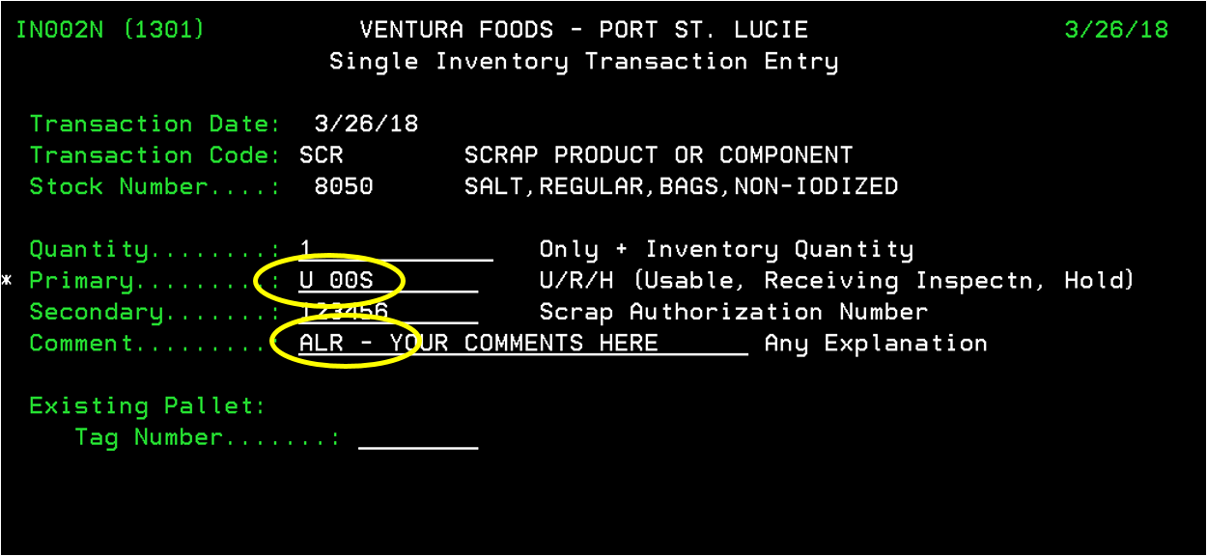
FY19 Scrap and Destroyed Coding Matrix

System | Primary (Parent) | Secondary (Child) |  | Option in System
JDE | Explaination 1st position | Reson Code per visual assist |  | ID for Plant Charges / IK for R&D and Supply Chain Charges
AS400 | Primary Field 3rd position | Comment Field 1st position |  | Option 1341

Responsible Party | Primary Code (Parent) | Secondary Code (Child) | Concatinate | Definition |  | Responsible Party | Reason
Plant | OOS | ALR | OOSALR | Allergen |  | Plant | 0ut of Spec - Allergen
Plant | OOS | APP | OOSAPP | Appearance |  | Plant | 0ut of Spec - Appearance
Plant | OOS | COI | OOSCOI | Coding issue or code date |  | Plant | 0ut of Spec - Coding issue or code date
Plant | OOS | EXT | OOSEXT | Extraneous - Foreign Material |  | Plant | 0ut of Spec - Extraneous - Foreign Material
Plant | OOS | GMP | OOSGMP | GMP Violation |  | Plant | 0ut of Spec - GMP Violation
Plant | OOS | KOS | OOSKOS | Kosher issue |  | Plant | 0ut of Spec - Kosher issue
Plant | OOS | LAP | OOSLAP | Label issue - Application |  | Plant | 0ut of Spec - Label issue - Application
Plant | OOS | MDT | OOSMDT | Metal Detection Issue |  | Plant | 0ut of Spec - Metal Detection Issue
Plant | OOS | MIC | OOSMIC | Micro issue |  | Plant | 0ut of Spec - Micro issue
Plant | OOS | OFF | OOSOFF | Off flavor - Odor |  | Plant | 0ut of Spec - Off flavor - Odor
Plant | OOS | SEL | OOSSEL | Seal Issues - Leakers |  | Plant | 0ut of Spec - Seal Issues - Leakers
Plant | OOS | STN | OOSSTN | Stained |  | Plant | 0ut of Spec - Stained
Plant | OOS | SUP | OOSSUP | Supplies | Added 4/6 | Plant | 0ut of Spec - Supplies
Plant | OOS | TEX | OOSTEX | Texture |  | Plant | 0ut of Spec - Texture
Plant | OOS | TMP | OOSTMP | Temperature / Storage issue |  | Plant | 0ut of Spec - Temperature / Storage issue
Plant | OOS | TST | OOSTST | Testing Lab/QA Sampling | Added 4/6 | Plant | 0ut of Spec - Testing Lab/QA Sampling
Plant | OOS | PKG | OOSPKG | Plant Packaging issue |  | Plant | 0ut of Spec - Plant Packaging issue

Plant | DMG | DWH | DMGDWH | Damage Warehouse - Material Handling Damage |  | Plant | Damaged - Damage Warehouse - Material Handling Damage
Plant | DMG | DMG | DMGDMG | Repeat Primary code if other codes are not applicable |  | Plant | Damaged - Repeat Primary code if other codes are not applicable
Supply Chain | DMG | DIS | DMGDIS | Damaged in Shipment |  | Supply Chain | Damaged - Damaged in Shipment

Plant | EXP | SOR | EXPSOR | Shipped out of rotation |  | Plant | Expired - Shipped out of rotation
Supply Chain | EXP | EXP | EXPEXP | Repeat Primary code if other codes are not applicable |  | Supply Chain | Expired - Repeat Primary code if other codes are not applicable

Plant | OBS | SOR | OBSSOR | Shipped out of rotation |  | Plant | Obsolete - Shipped out of rotation
Supply Chain | OBS | DNT | OBSDNT | Donated or Distressed Sale |  | Supply Chain | Obsolete - Donated or Distressed Sale
Supply Chain | OBS | OBS | OBSOBS | Repeat Primary code if other codes are not applicable |  | Supply Chain | Obsolete - Repeat Primary code if other codes are not applicable

Supply Chain | VND | DMG | VNDDMG | Damaged by Vendor |  | Supply Chain | Vendor - Damaged by Vendor
Supply Chain | VND | NTS | VNDNTS | Not to Standards - Specifications |  | Supply Chain | Vendor - Not to Standards - Specifications
Supply Chain | VND | PCK | VNDPCK | Vendor Packaging issue |  | Supply Chain | Vendor - Vendor Packaging issue

R&D | RDP | RDP | RDPRDP | Test products and test runs | Changed 4/6 | R&D | R&D - Test products and test runs

Plant | RES | EXP | RESEXP | Prior Year Reserve amounts scrapped in current year |  | Plant | Prior Rear Reserves - Expired
Plant | RES | OBS | RESOBS | Prior Year Reserve amounts scrapped in current year |  | Plant | Prior Rear Reserves - Obsolete
Plant | RES | DMG | RESDMG | Prior Year Reserve amounts scrapped in current year |  | Plant | Prior Rear Reserves - Damaged
Plant | RES | *** | RES*** | Prior Year Reserve amounts scrapped in current year |  | Plant | Prior Rear Reserves - Prior Year Reserve amounts scrapped in current year
Plant | RES | ALR | RESALR | Prior Year Reserve amounts scrapped in current year |  | Plant | Prior Rear Reserves - Allergen
Plant | RES | APP | RESAPP | Prior Year Reserve amounts scrapped in current year |  | Plant | Prior Rear Reserves - Appearance
Plant | RES | COI | RESCOI | Prior Year Reserve amounts scrapped in current year |  | Plant | Prior Rear Reserves - Coding issue or code date
Plant | RES | DIS | RESDIS | Prior Year Reserve amounts scrapped in current year |  | Plant | Prior Rear Reserves - Damaged in Shipment
Plant | RES | DNT | RESDNT | Prior Year Reserve amounts scrapped in current year |  | Plant | Prior Rear Reserves - Donated or Distressed Sale
Plant | RES | DWH | RESDWH | Prior Year Reserve amounts scrapped in current year |  | Plant | Prior Rear Reserves - Damage Warehouse - Material Handling Damage
Plant | RES | EXT | RESEXT | Prior Year Reserve amounts scrapped in current year |  | Plant | Prior Rear Reserves - Extraneous - Foreign Material
Plant | RES | GMP | RESGMP | Prior Year Reserve amounts scrapped in current year |  | Plant | Prior Rear Reserves - GMP Violation
Plant | RES | KOS | RESKOS | Prior Year Reserve amounts scrapped in current year |  | Plant | Prior Rear Reserves - Kosher issue
Plant | RES | LAP | RESLAP | Prior Year Reserve amounts scrapped in current year |  | Plant | Prior Rear Reserves - Label issue - Application
Plant | RES | MDT | RESMDT | Prior Year Reserve amounts scrapped in current year |  | Plant | Prior Rear Reserves - Metal Detection Issue
Plant | RES | MIC | RESMIC | Prior Year Reserve amounts scrapped in current year |  | Plant | Prior Rear Reserves - Micro issue
Plant | RES | NTS | RESNTS | Prior Year Reserve amounts scrapped in current year |  | Plant | Prior Rear Reserves - Not to Standards - Specifications
Plant | RES | OFF | RESOFF | Prior Year Reserve amounts scrapped in current year |  | Plant | Prior Rear Reserves - Off flavor - Odor
Plant | RES | PCK | RESPCK | Prior Year Reserve amounts scrapped in current year |  | Plant | Prior Rear Reserves - Vendor Packaging issue
Plant | RES | PKG | RESPKG | Prior Year Reserve amounts scrapped in current year |  | Plant | Prior Rear Reserves - Plant Packaging issue
Plant | RES | RDP | RESRDP | Prior Year Reserve amounts scrapped in current year |  | Plant | Prior Rear Reserves - Test products and test runs
Plant | RES | SEL | RESSEL | Prior Year Reserve amounts scrapped in current year |  | Plant | Prior Rear Reserves - Seal Issues - Leakers
Plant | RES | SOR | RESSOR | Prior Year Reserve amounts scrapped in current year |  | Plant | Prior Rear Reserves - Shipped out of rotation
Plant | RES | STN | RESSTN | Prior Year Reserve amounts scrapped in current year |  | Plant | Prior Rear Reserves - Stained
Plant | RES | SUP | RESSUP | Prior Year Reserve amounts scrapped in current year |  | Plant | Prior Rear Reserves - Supplies
Plant | RES | TEX | RESTEX | Prior Year Reserve amounts scrapped in current year |  | Plant | Prior Rear Reserves - Texture
Plant | RES | TMP | RESTMP | Prior Year Reserve amounts scrapped in current year |  | Plant | Prior Rear Reserves - Temperature / Storage issue
Plant | RES | TST | RESTST | Prior Year Reserve amounts scrapped in current year |  | Plant | Prior Rear Reserves - Testing Lab/QA Sampling
*** | Okay to use any of the above secondary codes (child) for RES primiary code. |  |  | Prior Year Reserve amounts scrapped in current year |  | *** | Prior Year Reserve amounts scrapped in current year

